gradient boosting
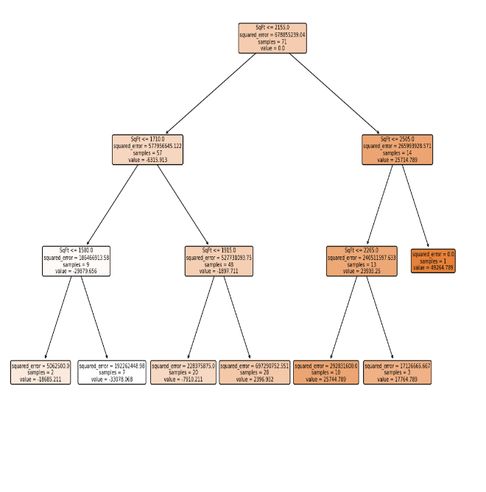
Area | Price | Initial Prediction | Error1 | Predicted Error1 | Predicted Price1 | Error2 | Predicted Error2 | Predicted Price2 | Error3 | Predicted Error3 | Predicted Price3
1790 | 114300 | 127535.2113 | -13235.21127 | -7910.211268 | 119625 | -5325 | 5.02E-13 | 119625 | -5325 | -1448.601399 | 118176.4
2030 | 114200 | 127535.2113 | -13335.21127 | 2396.93159 | 129932.1429 | -15732.14286 | 5875.549451 | 135807.6923 | -21607.69231 | -1448.601399 | 134359.09
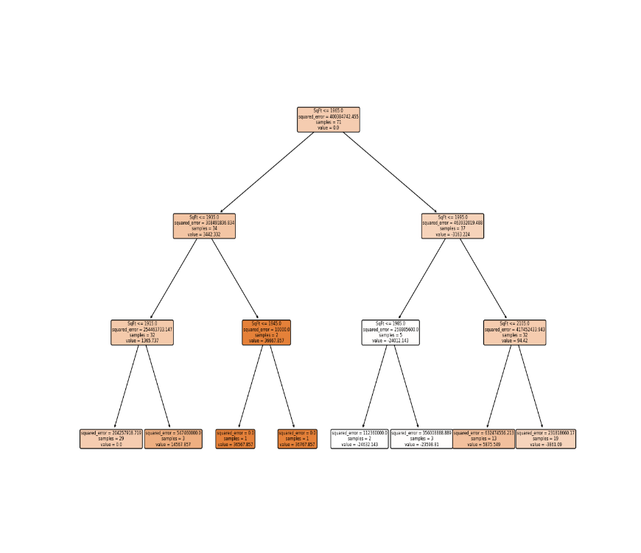
1740 | 114800 | 127535.2113 | -12735.21127 | -7910.211268 | 119625 | -4825 | 5.02E-13 | 119625 | -4825 | -1448.601399 | 118176.4
1980 | 94700 | 127535.2113 | -32835.21127 | 2396.93159 | 129932.1429 | -35232.14286 | -24632.14286 | 105300 | -10600 | -1448.601399 | 103851.4
2130 | 119800 | 127535.2113 | -7735.211268 | 2396.93159 | 129932.1429 | -10132.14286 | -3861.090226 | 126071.0526 | -6271.052632 | -15204.38596 | 110866.67
1780 | 114600 | 127535.2113 | -12935.21127 | -7910.211268 | 119625 | -5025 | 5.02E-13 | 119625 | -5025 | -1448.601399 | 118176.4
1830 | 151600 | 127535.2113 | 24064.78873 | -7910.211268 | 119625 | 31975 | 5.02E-13 | 119625 | 31975 | -1448.601399 | 118176.4
2160 | 150700 | 127535.2113 | 23164.78873 | 25744.78873 | 153280 | -2580 | -3861.090226 | 149418.9098 | 1281.090226 | -3599.766917 | 145819.14
2110 | 119200 | 127535.2113 | -8335.211268 | 2396.93159 | 129932.1429 | -10732.14286 | -3861.090226 | 126071.0526 | -6871.052632 | -15204.38596 | 110866.67
1730 | 104000 | 127535.2113 | -23535.21127 | -7910.211268 | 119625 | -15625 | 5.02E-13 | 119625 | -15625 | -1448.601399 | 118176.4
2030 | 132500 | 127535.2113 | 4964.788732 | 2396.93159 | 129932.1429 | 2567.857143 | 5875.549451 | 135807.6923 | -3307.692308 | -1448.601399 | 134359.09
1870 | 123000 | 127535.2113 | -4535.211268 | -7910.211268 | 119625 | 3375 | 5.02E-13 | 119625 | 3375 | -1448.601399 | 118176.4
1910 | 102600 | 127535.2113 | -24935.21127 | -7910.211268 | 119625 | -17025 | 5.02E-13 | 119625 | -17025 | -1448.601399 | 118176.4
2150 | 126300 | 127535.2113 | -1235.211268 | 2396.93159 | 129932.1429 | -3632.142857 | -3861.090226 | 126071.0526 | 228.9473684 | -3599.766917 | 122471.29
2590 | 176800 | 127535.2113 | 49264.78873 | 49264.78873 | 176800 | 0 | -3861.090226 | 172938.9098 | 3861.090226 | 6046.090226 | 178985
1780 | 145800 | 127535.2113 | 18264.78873 | -7910.211268 | 119625 | 26175 | 5.02E-13 | 119625 | 26175 | -1448.601399 | 118176.4
2190 | 147100 | 127535.2113 | 19564.78873 | 25744.78873 | 153280 | -6180 | -3861.090226 | 149418.9098 | -2318.909774 | -3599.766917 | 145819.14
1990 | 83600 | 127535.2113 | -43935.21127 | 2396.93159 | 129932.1429 | -46332.14286 | -23598.80952 | 106333.3333 | -22733.33333 | -1448.601399 | 104884.73
1700 | 111400 | 127535.2113 | -16135.21127 | -33078.06841 | 94457.14286 | 16942.85714 | 5.02E-13 | 94457.14286 | 16942.85714 | -1448.601399 | 93008.54
1920 | 167200 | 127535.2113 | 39664.78873 | 2396.93159 | 129932.1429 | 37267.85714 | 14567.85714 | 144500 | 22700 | -1448.601399 | 143051.4
1790 | 116200 | 127535.2113 | -11335.21127 | -7910.211268 | 119625 | -3425 | 5.02E-13 | 119625 | -3425 | -1448.601399 | 118176.4
2000 | 113800 | 127535.2113 | -13735.21127 | 2396.93159 | 129932.1429 | -16132.14286 | 5875.549451 | 135807.6923 | -22007.69231 | -1448.601399 | 134359.09
1690 | 91700 | 127535.2113 | -35835.21127 | -33078.06841 | 94457.14286 | -2757.142857 | 5.02E-13 | 94457.14286 | -2757.142857 | -1448.601399 | 93008.54
1820 | 106100 | 127535.2113 | -21435.21127 | -7910.211268 | 119625 | -13525 | 5.02E-13 | 119625 | -13525 | -1448.601399 | 118176.4
2210 | 156400 | 127535.2113 | 28864.78873 | 25744.78873 | 153280 | 3120 | -3861.090226 | 149418.9098 | 6981.090226 | -8118.909774 | 141300
2290 | 149300 | 127535.2113 | 21764.78873 | 17764.78873 | 145300 | 4000 | -3861.090226 | 141438.9098 | 7861.090226 | 6046.090226 | 147485
2000 | 137000 | 127535.2113 | 9464.788732 | 2396.93159 | 129932.1429 | 7067.857143 | 5875.549451 | 135807.6923 | 1192.307692 | -1448.601399 | 134359.09
1700 | 99300 | 127535.2113 | -28235.21127 | -33078.06841 | 94457.14286 | 4842.857143 | 5.02E-13 | 94457.14286 | 4842.857143 | -1448.601399 | 93008.54
1600 | 69100 | 127535.2113 | -58435.21127 | -33078.06841 | 94457.14286 | -25357.14286 | 5.02E-13 | 94457.14286 | -25357.14286 | -1448.601399 | 93008.54
2040 | 188000 | 127535.2113 | 60464.78873 | 2396.93159 | 129932.1429 | 58067.85714 | 5875.549451 | 135807.6923 | 52192.30769 | 7967.307692 | 143775
2250 | 182000 | 127535.2113 | 54464.78873 | 25744.78873 | 153280 | 28720 | -3861.090226 | 149418.9098 | 32581.09023 | 6046.090226 | 155465
1930 | 112300 | 127535.2113 | -15235.21127 | 2396.93159 | 129932.1429 | -17632.14286 | 14567.85714 | 144500 | -32200 | -1448.601399 | 143051.4
2250 | 135000 | 127535.2113 | 7464.788732 | 25744.78873 | 153280 | -18280 | -3861.090226 | 149418.9098 | -14418.90977 | 6046.090226 | 155465
2280 | 139600 | 127535.2113 | 12064.78873 | 17764.78873 | 145300 | -5700 | -3861.090226 | 141438.9098 | -1838.909774 | 6046.090226 | 147485
2000 | 117800 | 127535.2113 | -9735.211268 | 2396.93159 | 129932.1429 | -12132.14286 | 5875.549451 | 135807.6923 | -18007.69231 | -1448.601399 | 134359.09
2080 | 117100 | 127535.2113 | -10435.21127 | 2396.93159 | 129932.1429 | -12832.14286 | 5875.549451 | 135807.6923 | -18707.69231 | 7967.307692 | 143775
1880 | 117500 | 127535.2113 | -10035.21127 | -7910.211268 | 119625 | -2125 | 5.02E-13 | 119625 | -2125 | -1448.601399 | 118176.4
2420 | 147000 | 127535.2113 | 19464.78873 | 17764.78873 | 145300 | 1700 | -3861.090226 | 141438.9098 | 5561.090226 | 6046.090226 | 147485
1720 | 131300 | 127535.2113 | 3764.788732 | -7910.211268 | 119625 | 11675 | 5.02E-13 | 119625 | 11675 | -1448.601399 | 118176.4
1740 | 108200 | 127535.2113 | -19335.21127 | -7910.211268 | 119625 | -11425 | 5.02E-13 | 119625 | -11425 | -1448.601399 | 118176.4
1560 | 106600 | 127535.2113 | -20935.21127 | -18685.21127 | 108850 | -2250 | 5.02E-13 | 108850 | -2250 | -1448.601399 | 107401.4
1840 | 133600 | 127535.2113 | 6064.788732 | -7910.211268 | 119625 | 13975 | 5.02E-13 | 119625 | 13975 | -1448.601399 | 118176.4
1990 | 105600 | 127535.2113 | -21935.21127 | 2396.93159 | 129932.1429 | -24332.14286 | -23598.80952 | 106333.3333 | -733.3333333 | -1448.601399 | 104884.73
1920 | 154000 | 127535.2113 | 26464.78873 | 2396.93159 | 129932.1429 | 24067.85714 | 14567.85714 | 144500 | 9500 | -1448.601399 | 143051.4
1940 | 166500 | 127535.2113 | 38964.78873 | 2396.93159 | 129932.1429 | 36567.85714 | 36567.85714 | 166500 | 0 | -1448.601399 | 165051.4
1810 | 103200 | 127535.2113 | -24335.21127 | -7910.211268 | 119625 | -16425 | 5.02E-13 | 119625 | -16425 | -1448.601399 | 118176.4
1990 | 129800 | 127535.2113 | 2264.788732 | 2396.93159 | 129932.1429 | -132.1428571 | -23598.80952 | 106333.3333 | 23466.66667 | -1448.601399 | 104884.73
2050 | 90300 | 127535.2113 | -37235.21127 | 2396.93159 | 129932.1429 | -39632.14286 | 5875.549451 | 135807.6923 | -45507.69231 | 7967.307692 | 143775
1980 | 115900 | 127535.2113 | -11635.21127 | 2396.93159 | 129932.1429 | -14032.14286 | -24632.14286 | 105300 | 10600 | -1448.601399 | 103851.4
1700 | 107500 | 127535.2113 | -20035.21127 | -33078.06841 | 94457.14286 | 13042.85714 | 5.02E-13 | 94457.14286 | 13042.85714 | -1448.601399 | 93008.54
2100 | 151100 | 127535.2113 | 23564.78873 | 2396.93159 | 129932.1429 | 21167.85714 | 5875.549451 | 135807.6923 | 15292.30769 | 7967.307692 | 143775
1860 | 91100 | 127535.2113 | -36435.21127 | -7910.211268 | 119625 | -28525 | 5.02E-13 | 119625 | -28525 | -1448.601399 | 118176.4
2150 | 117400 | 127535.2113 | -10135.21127 | 2396.93159 | 129932.1429 | -12532.14286 | -3861.090226 | 126071.0526 | -8671.052632 | -3599.766917 | 122471.29
2100 | 130800 | 127535.2113 | 3264.788732 | 2396.93159 | 129932.1429 | 867.8571429 | 5875.549451 | 135807.6923 | -5007.692308 | 7967.307692 | 143775
1650 | 81300 | 127535.2113 | -46235.21127 | -33078.06841 | 94457.14286 | -13157.14286 | 5.02E-13 | 94457.14286 | -13157.14286 | -1448.601399 | 93008.54
1720 | 125700 | 127535.2113 | -1835.211268 | -7910.211268 | 119625 | 6075 | 5.02E-13 | 119625 | 6075 | -1448.601399 | 118176.4
2190 | 140900 | 127535.2113 | 13364.78873 | 25744.78873 | 153280 | -12380 | -3861.090226 | 149418.9098 | -8518.909774 | -3599.766917 | 145819.14
2240 | 152300 | 127535.2113 | 24764.78873 | 25744.78873 | 153280 | -980 | -3861.090226 | 149418.9098 | 2881.090226 | 6046.090226 | 155465
1840 | 138100 | 127535.2113 | 10564.78873 | -7910.211268 | 119625 | 18475 | 5.02E-13 | 119625 | 18475 | -1448.601399 | 118176.4
2090 | 155400 | 127535.2113 | 27864.78873 | 2396.93159 | 129932.1429 | 25467.85714 | 5875.549451 | 135807.6923 | 19592.30769 | 7967.307692 | 143775
2200 | 180900 | 127535.2113 | 53364.78873 | 25744.78873 | 153280 | 27620 | -3861.090226 | 149418.9098 | 31481.09023 | 31481.09023 | 180900
1610 | 100900 | 127535.2113 | -26635.21127 | -33078.06841 | 94457.14286 | 6442.857143 | 5.02E-13 | 94457.14286 | 6442.857143 | -1448.601399 | 93008.54
2220 | 161300 | 127535.2113 | 33764.78873 | 25744.78873 | 153280 | 8020 | -3861.090226 | 149418.9098 | 11881.09023 | 6046.090226 | 155465
1910 | 120500 | 127535.2113 | -7035.211268 | -7910.211268 | 119625 | 875 | 5.02E-13 | 119625 | 875 | -1448.601399 | 118176.4
1860 | 130300 | 127535.2113 | 2764.788732 | -7910.211268 | 119625 | 10675 | 5.02E-13 | 119625 | 10675 | -1448.601399 | 118176.4
1450 | 111100 | 127535.2113 | -16435.21127 | -18685.21127 | 108850 | 2250 | 5.02E-13 | 108850 | 2250 | -1448.601399 | 107401.4
2210 | 126200 | 127535.2113 | -1335.211268 | 25744.78873 | 153280 | -27080 | -3861.090226 | 149418.9098 | -23218.90977 | -8118.909774 | 141300
2040 | 151900 | 127535.2113 | 24364.78873 | 2396.93159 | 129932.1429 | 21967.85714 | 5875.549451 | 135807.6923 | 16092.30769 | 7967.307692 | 143775
2140 | 93600 | 127535.2113 | -33935.21127 | 2396.93159 | 129932.1429 | -36332.14286 | -3861.090226 | 126071.0526 | -32471.05263 | -15204.38596 | 110866.67
2080 | 165600 | 127535.2113 | 38064.78873 | 2396.93159 | 129932.1429 | 35667.85714 | 5875.549451 | 135807.6923 | 29792.30769 | 7967.307692 | 143775
1950 | 166700 | 127535.2113 | 39164.78873 | 2396.93159 | 129932.1429 | 36767.85714 | 36767.85714 | 166700 | 0 | -1448.601399 | 165251.4

